Pooled Funds & Total Fossil Fue
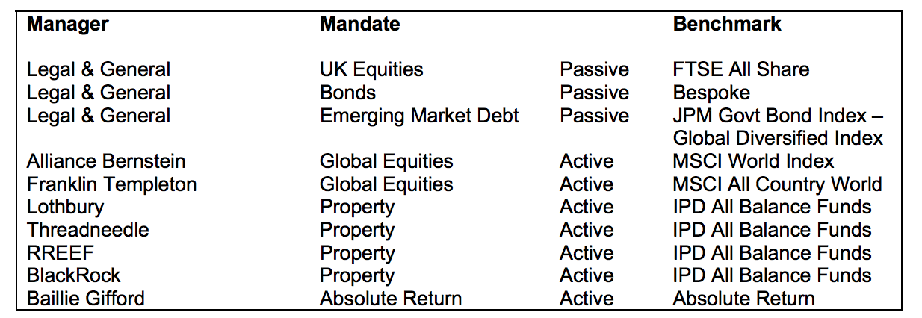
Pooled fund estimate | 10%
 | Amount | Percentage | Name | Pooled fund | Estimated fossil fuel holdings: | in % of total holdings
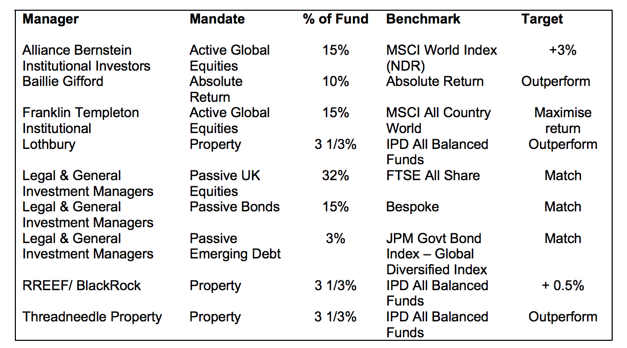
Total | 634,800,000.00
1 | 94,503,000.00 | 14.89% | Global Equity Blend Portfolio | yes | 9,450,300.00 | 1.49%
2 | 83,726,000.00 | 13.19% | Templeton Growth Fund I | yes | 8,372,600.00 | 1.32%
3 | 82,783,000.00 | 13.04% | Legal and General UK Equities | yes | 8,278,300.00 | 1.30%
4 | 60,040,000.00 | 9.46% | Diversified Growth Pension Fund |  | 0.00 | 0.00%
5 | 31,316,000.00 | 4.93% | GBP Corp Bond 6A (Pass) |  | 0.00 | 0.00%
6 | 24,192,000.00 | 3.81% | UK Property Fund |  | 0.00 | 0.00%
7 | 21,386,000.00 | 3.37% | Property Unit Trust |  | 0.00 | 0.00%
8 | 17,645,000.00 | 2.78% | Property Fund |  | 0.00 | 0.00%
9 | 15,385,000.00 | 2.42% | EM Passive Local Ccy Govt Bond |  | 0.00 | 0.00%
10 | 13,712,000.00 | 2.16% | HSBC HOLDINGS PLC COMMON STOCK USD.5 |  | 0.00 | 0.00%
11 | 12,500,000.00 | 1.97% | UK TREASURY 3.25% 22/01/44 |  | 0.00 | 0.00%
12 | 12,281,000.00 | 1.93% | UK TREASURY 3.75% 07/09/20 |  | 0.00 | 0.00%
13 | 9,168,000.00 | 1.44% | BP PLC COMMON STOCK USD.25 |  | 0.00 | 0.00%
14 | 8,612,000.00 | 1.36% | GLAXOSMITHKLINE PLC COMMON STOCK GBP.25 |  | 0.00 | 0.00%
15 | 8,571,000.00 | 1.35% | ROYAL DUTCH SHELL PLC A SHS COMMON STOCK EUR.07 |  | 0.00 | 0.00%
 |  |  |  | Total estimated fossil fuels in largest pooled funds | 26,101,200.00 | 4.11%
 |  |  |  | Total direct fossil fuels | 23,716,000.00 | 3.74%

 |  |  |  | Total fossil fuels | 49,817,200.00 | 7.85%
 |  |  |  | Total holdings | 634,800,000

